RSA-10%Debits
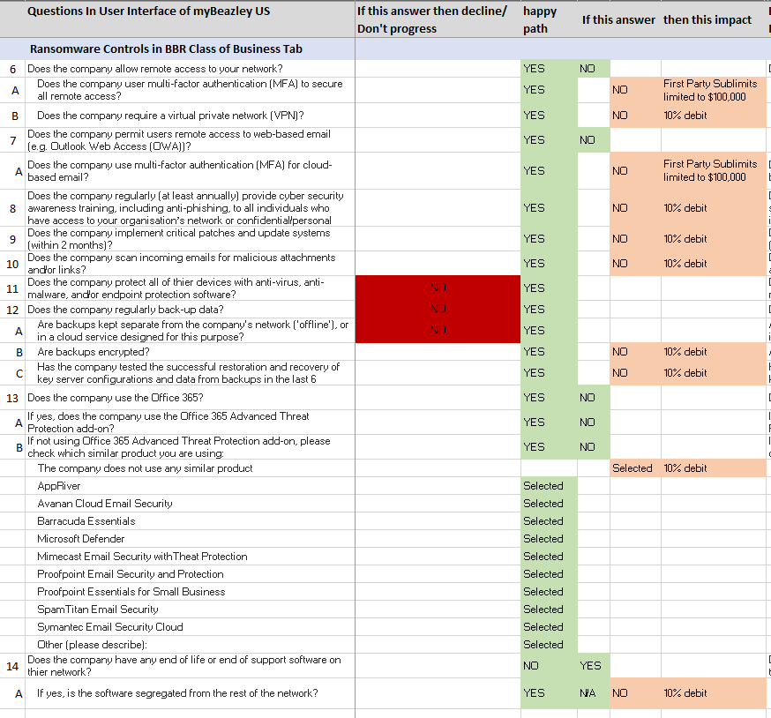

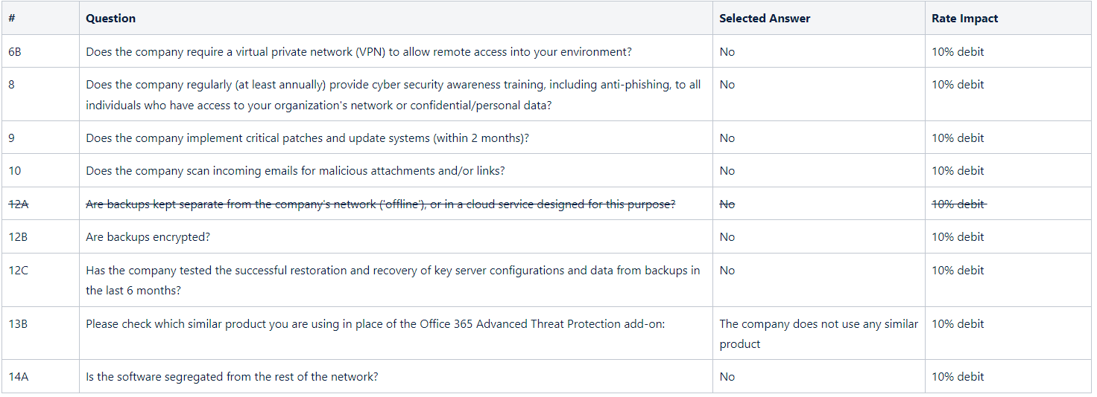

SecurityQuestions
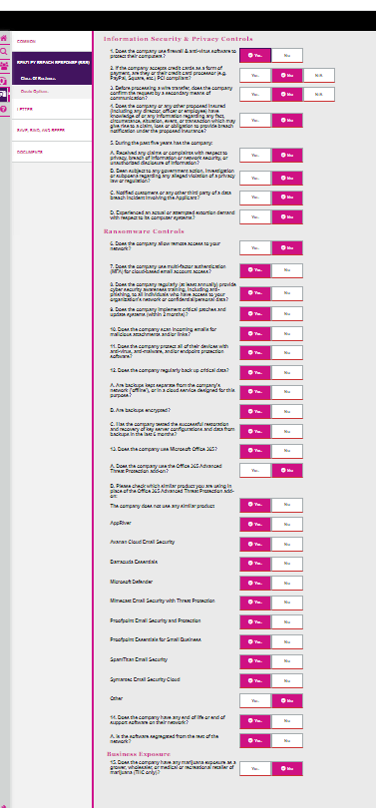
 | Answer Options | Rules | Rate impact
Information Security & Privacy Controls |  |  |  |  | Happy Path
1. Does the company use firewall & anti-virus software to protect their computers? | Yes/No | • If answered 'No', then an Orange Banner will be displayed "You cannot continue with this submission, because the insured does not use a firewall & anti-virus software." | No | 1 | Yes
2. If the company accepts credit cards as a form of payment, are they or their credit card processor (e.g. PayPal, Square, etc.) PCI compliant? | Yes/No/NA | Part of Regression ADO 8738 | Yes | 2 | Yes
3. Before processing a wire transfer, does the company confirm the request by a secondary means of communication? | Yes/No/NA | Part of Regression ADO 9063 | Yes | 3 |  | No
4. Does the company or any other proposed insured (including any director, officer or employee) have knowledge of or any information regarding any fact, circumstance, situation, event, or transaction which may give rise to a claim, loss or obligation to provide breach notification under the proposed insurance? | Yes/No | If answered 'Yes', then an Orange Banner will be display :You cannot continue with this submission, because the insured has knowledge of any fact, circumstance, institution, event or transaction which may rise to a claim or loss.: | No | 4 |  | No
5. During the past five years has the company: | - |  |  | 5-a |  | No
A. Received any claims or complaints with respect to privacy, breach of information or network security, or unauthorized disclosure of information? | Yes/No | If answered 'Yes', then an Orange Banner will be display :You cannot continue with this submission, because the insured has knowledge of any fact, circumstance, institution, event or transaction which may rise to a claim or loss.: | No | 5-b |  | No
B. Been subject to any government action, investigation or subpoena regarding any alleged violation of a privacy law or regulation? | Yes/No | If answered 'Yes', then an Orange Banner will be display :You cannot continue with this submission, because the insured has knowledge of any fact, circumstance, institution, event or transaction which may rise to a claim or loss.: | No | 5-c |  | No
C. Notified customers or any other third party of a data breach incident involving the Applicant? | Yes/No | If answered 'Yes', then an Orange Banner will be display :You cannot continue with this submission, because the insured has knowledge of any fact, circumstance, institution, event or transaction which may rise to a claim or loss.: | No | 5-d |  | No
D. Experienced an actual or attempted extortion demand with respect to its computer systems? | Yes/No | If answered 'Yes', then an Orange Banner will be display :You cannot continue with this submission, because the insured has knowledge of any fact, circumstance, institution, event or transaction which may rise to a claim or loss.: | No | 6 | Yes
Ransomware Controls |  |  |  | 6-a | Yes
6. Does the company allow remote access to your network? | Yes/No | • If answered 'Yes,' then present child questions 6A and 6B. | No | 6-b | Yes
 |  | If answered 'No,' then do not present any child questions. |  | 7 | Yes
A. Does the company use multi-factor authentication (MFA) to secure all remote access? | Yes/No | • If answered 'No', then an Orange Banner will be displayed at the top of the screen with the following message and the user will not be able to progress the risk. | No | 8 | Yes
 |  | You cannot continue with this submission because the insured does not use MFA to secure all remote access. |  | 9 | Yes
B. Does the company require a virtual private network (VPN) to allow remote access? | Yes/No | If No - 10% debit | Yes | 10 | Yes
7. Does the company use multi-factor authentication (MFA) for cloud-based email account access? | Yes/No | • If answered 'No', then an Orange Banner will be displayed at the top of the screen with the following message and the user will not be able to progress the risk. | No | 11 | Yes
 |  | You cannot continue with this submission because the insured does not use MFA for cloud-based services. |  | 12 | Yes
8. Does the company regularly (at least annually) provide cyber security awareness training, including anti-phishing, to all individuals who have access to your organization's network or confidential/personal data? | Yes/No | If No - 10% debit | Yes | 12-a | Yes
9. Does the company implement critical patches and update systems (within 2 months)? | Yes/No | If No - 10% debit | Yes | 12-b | Yes
10. Does the company scan incoming emails for malicious attachments and/or links? | Yes/No | If No - 10% debit | Yes | 12-c | Yes
11. Does the company protect all of their devices with anti-virus, anti-malware, and/or endpoint protection software? | Yes/No | • If answered 'No', then an Orange Banner will be displayed at the top of the screen with the following message and the user will not be able to progress the risk. | No | 13 | Yes
 |  | You cannot continue with this submission because the insured does not protect all of their devices with anti-virus, anti-malware, and/or endpoint protection software |  | 13-a | Yes
12. Does the company regularly back up critical data? | Yes/No | • If answered 'Yes,' then present child questions 12A, 12B, and 12C. | No | 14 | Yes
 |  | • If answered 'No', then an Orange Banner will be displayed at the top of the screen with the following message and the user will not be able to progress the risk. |  | 14-a | Yes
 |  | • You cannot continue with this submission because the insured does not regularly back up data. |  | 15 |  | No
A. Are backups kept separate from the company's network ('offline'), or in a cloud service designed for this purpose? | Yes/No | • If answered 'No', then an Orange Banner will be displayed at the top of the screen with the following message and the user will not be able to progress the risk. | No
 |  | "You cannot continue with this submission because the insured does not regularly back up data."
B. Are backups encrypted? | Yes/No | If No - 10% debit | Yes
C. Has the company tested the successful restoration and recovery of key server configurations and data from backups in the last 6 months? | Yes/No | If No - 10% debit | Yes
13. Does the company use Microsoft Office 365? | Yes/No | • If answered 'Yes,' then present child question 13A. | No
 |  | If answered 'No,' then do not present any child questions.
A. Does the company use the Office 365 Advanced Threat Protection add-on? | Yes/No | • If answered 'Yes,' then do not present any child questions.
 |  | If answered 'No,' then present child question 13B.
B. Please check which similar product you are using in place of the Office 365 Advanced Threat Protection add-on: | Yes/No | If No - 10% debit and sub options will display | Yes
The company does not use any similar product | Yes/No |  | No
AppRiver | Yes/No |  | No
Avanan Cloud Email Security | Yes/No |  | No
Barracuda Essentials | Yes/No |  | No
Microsoft Defender | Yes/No |  | No
Mimecast Email Security with Threat Protection | Yes/No |  | No
Proofpoint Email Security and Protection | Yes/No |  | No
Proofpoint Essentials for Small Business | Yes/No |  | No
SpamTitan Email Security | Yes/No |  | No
Symantec Email Security Cloud | Yes/No |  | No
Other | Yes/No | Yes - will display the text field | No
(please describe): | text field |  | No
14. Does the company have any end of life or end of support software on their network? | Yes/No | • If answered 'Yes,' then present child question 14A. | No
 |  | If answered 'No,' then do not present any child questions.
A. Is the software segregated from the rest of the network? | Yes/No | If No - 10% debit | Yes
Business Exposure
15. Does the company have any marijuana exposure as a grower, wholesaler, or medical or recreational retailer of marijuana (THC only)? | Yes/No | No - the broker may progress the risk | No
Field is required |  | Yes is selected, an Orange Banner will be displayed "You cannot continue with this submission because the insured has marijuana exposure as a grower, wholesaler, or medical or recreational retailer of marijuana."

